Sheet1
 |  |  |  |  |  |  |  |  |  | 2
 |  |  |  |  |  |  |  | 3 | 1

 |  |  |  |  |  | 5 | 4
 |  |  | 6
 |  |  |  |  | "9 7"
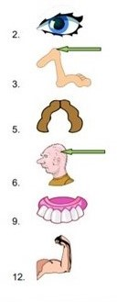
 |  | 8
 |  | 12 |  | 10
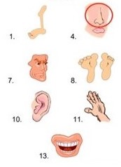
11

 | 13

